401042
Import DMS Partner
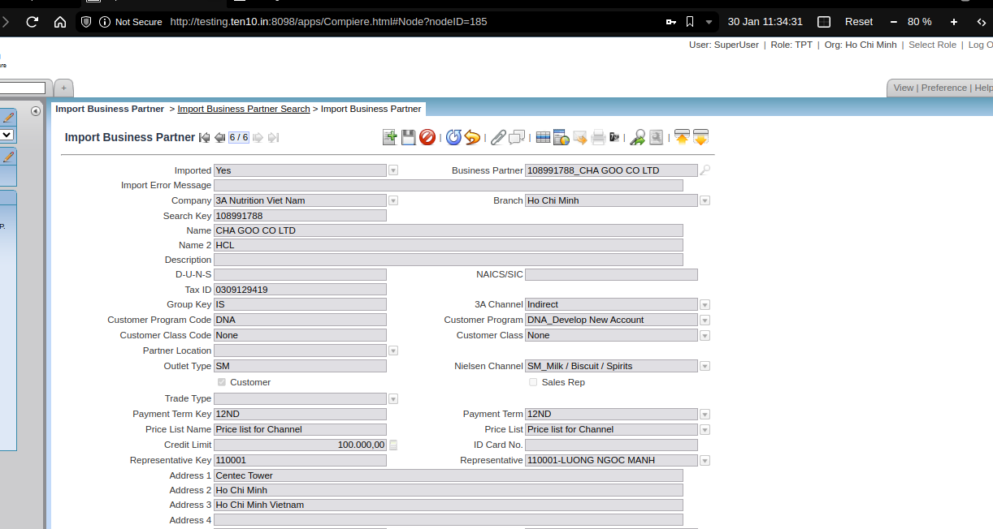

108991788 | CHA GOO CO LTD | HCL | Centec Tower | Ho Chi Minh | Ho Chi Minh Vietnam | 6008298 | 9740421259 | IS | SM | 309129419 | 12ND | Price list for Channel | DNA | None | 100000 | 110001 | M&FS | N | N | H | 2000000 | Y | P.Thu KH (trade) | ART | Y | Y | CASH | Y | Y | N | 1000102

Manage Partner Search Key | 108991788

401064
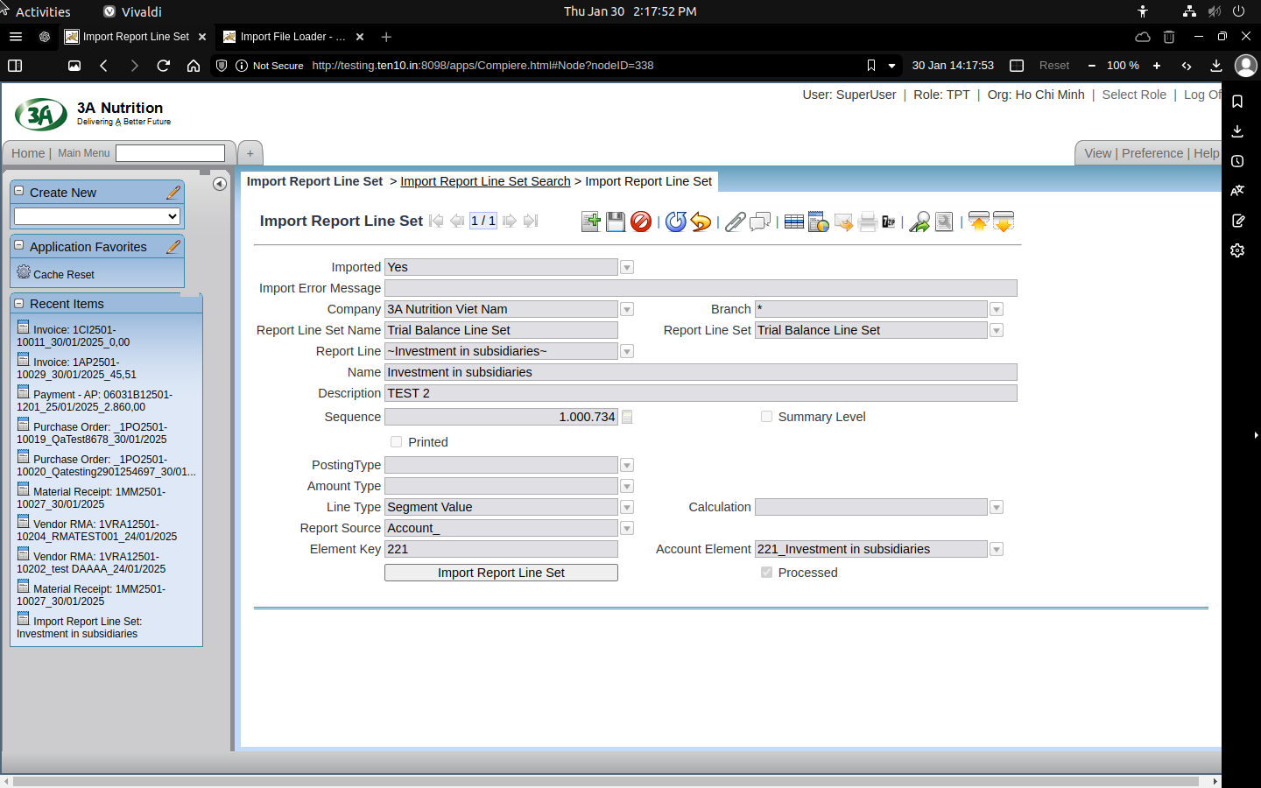
Import Report Line Set

